TestSummary
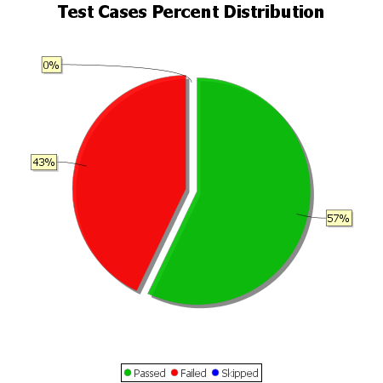
Total Test Cases | 14
Test Cases Passed | 8
Test Cases Failed | 6
Test Cases Skipped | 0

